Sheet1
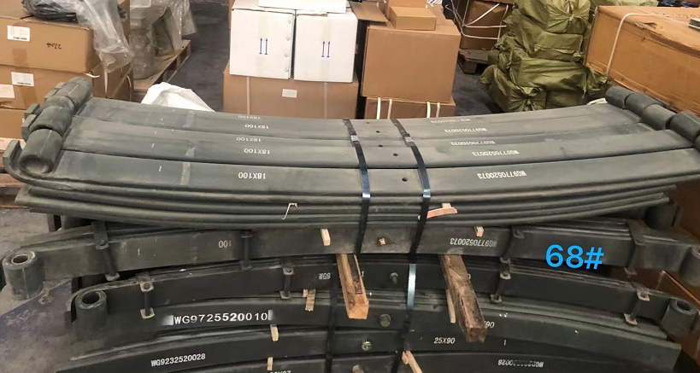
Sup. # | Inc | Location | To | Mode | Order # | Payment | DESCRIPTION | Places | Type | Carton Size | Total Volume M3 | TOTAL G.W KG | Stackable | Loading Address | Contact Details
22 | FOB | QINGDAO OR TIANJIN | Zest | SEA | SBL00000523 - SBL000385 P2 | Ok | Grabs | 2 | Nude | 2.83*1.73*2.05m - 2 | Calculating Packing | 10800 | NO | FOB Qingdao | To be informed to winner | 1*20' DC
22 | FOB | QINGDAO OR TIANJIN | Zest | SEA | SBL00000523 - SBL000385 P1 | Ok | Grabs | 3 | Nude | 3.5*2.02*2.54m-1 2.83*1.73*2.05m - 2 | Calculating Packing | 15500 | NO | FOB Qingdao | To be informed to winner | 1*40' HQ
5 | FOB | Qingdao | Chi | SEA | SBL00000876-SBL000731 P2 | Ok | Steel spare parts HOWO | 1 | Nude | Below Photo |  | 1400 |  | FOB Qingdao | To be informed to winner
23 | FCA | Qingdao | Chi | SEA | SBL00001311-SBL001295 | Bal | Metal products | 1 | Wooden box | 1036mm*536mm*630mm | 0.35 | 750 | Top | FCA Qingdao, forwarder's warehouse | To be informed to winner
2 | FCA | Qingdao | Chi | SEA | SBL00001319-SBL001371 | Bal | Cardan shaft | 1 | Box | 1100*550*500mm*1 | 0.302 | 106 | TBC | About 20 meters east of the intersection of Huaihe Road and Maoshan Road in Qingdao West Coast New Area. 青岛西海岸新区淮河路与茂山路交汇处东20米左右。 | To be informed to winner

